UN SDGs Index
Statement of Use: CAR Group has reported the information cited in this index for the period 1 July 2024 to 30 June 2025 with reference to the United Nations Sustainable Development Goals. All reports, policies, charters and documents referenced in the 'CAR Group Contribution to SDG' column can be found on our shareholder website (please refer to quick links on Cover Page of this databook).

SDG | DESCRIPTION | ALIGNED TARGETS | CAR GROUP CONTRIBUTION TO SDG
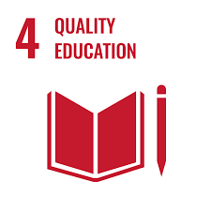 | Ensuring inclusive and equitable quality education and promote lifelong learning opportunities for all | 4.3 By 2030, ensure equal access for all women and men to affordable and quality technical, vocational and tertiary education, including university | FY25 Sustainability Report - Our people · Talent attraction, engagement and retention · Diversity, equity and inclusion
 |  | 4.4 By 2030, substantially increase the number of youth and adults who have relevant skills, including technical and vocational skills, for employment, decent jobs and entrepreneurship
 |  | 4.5 By 2030, eliminate gender disparities in education and ensure equal access to all levels of education and vocational training for the vulnerable, including persons with disabilities, indigenous peoples and children in vulnerable situations
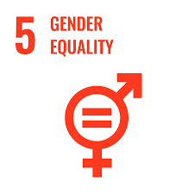 | Achieve gender equality and empower all girls | 5.1 End all forms of discrimination against all women and girls everywhere | FY25 Sustainability Report - Our people · Diversity, equity and inclusion FY25 Sustainability Report - Our business practices · Ethics and integrity
 |  | 5.2 Eliminate all forms of violence against all women and girls in the public and private spheres, including trafficking and sexual and other types of exploitation
 |  | 5.4 Recognise and value unpaid care and domestic work through the provision of public services, infrastructure and social protection policies and the promotion of shared responsibility within the household and the family as nationally appropriate
 |  | 5.5 Ensure women’s full and effective participation and equal opportunities for leadership at all levels of decision-making in political, economic and public life
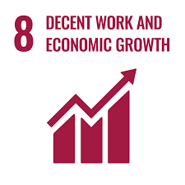 | Promote sustained, inclusive and sustainable economic growth, full and productive employment and decent work for all | 8.2 Achieve higher levels of economic productivity through diversification, technological upgrading and innovation, including through a focus on high value added and labour intensive sectors | FY25 Sustainability Report - Our people · Diversity, equity and inclusion FY25 Sustainability Report - Our customers · Innovation and growth FY25 Sustainability Report - Our impact · Supply chain engagement FY25 Sustainability Report - Our business practices · Ethics and integrity · Governance and risk management
 |  | 8.3 Promote development-oriented policies that support productive activities, decent job creation, entrepreneurship, creativity and innovation, and encourage the formalisation and growth of micro-, small- and medium sized enterprises, including through access to financial services
 |  | 8.5 By 2030, achieve full and productive employment and decent work for all women and men, including for young people and persons with disabilities, and equal pay for work of equal value
 |  | 8.7 Take immediate and effective measures to eradicate forced labour, end modern slavery and human trafficking and secure the prohibition and elimination of the worst forms of child labour, including recruitment and use of child soldiers, and by 2025 end child labour in all its forms
 |  | 8.8 Protect labour rights and promote safe and secure working environments for all workers, including migrant workers, in particular women migrants, and those in precarious employment
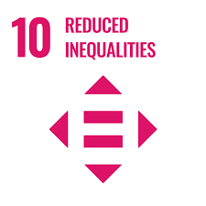 | Reduce inequality within and among countries | 10.2 By 2030, empower and promote the social, economic and political inclusion of all, irrespective of age, sex, disability, race, ethnicity, origin, religion or economic or other status | FY25 Sustainability Report - Our people · Diversity, equity and inclusion FY25 Sustainability Report - Our business practices · Ethics and integrity
 |  | 10.3 Ensure equal opportunity and reduce inequalities of outcome, including by eliminating discriminatory laws, policies and practices and promoting appropriate legislation, policies and action in this regard
 |  | 10.4 Adopt policies, especially fiscal, wage and social protection policies, and progressively achieve greater equality
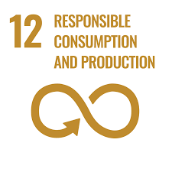 | Ensure sustainable consumption and production patterns | 12.5 By 2030, substantially reduce waste generation through prevention, reduction, recycling and reuse | FY25 Sustainability Report - Our impact · Climate management
 |  | 12.6 Encourage companies, especially large and transnational companies, to adopt sustainable practices and to integrate sustainability information into their reporting cycle
 |  | 12.8 By 2030, ensure that people everywhere have the relevant information and awareness for sustainable development and lifestyles in harmony with nature
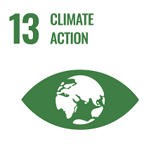 | Take urgent action to combat climate change and its impact | 13.1 Strengthen resilience and adaptive capacity to climate-related hazards and natural disasters in all countries | FY25 Sustainability Report - Our impact · Climate management FY25 Annual Report · Climate disclosures report
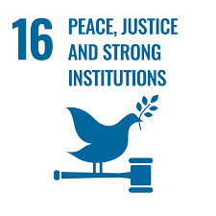 | Promote peaceful and inclusive societies for sustainable development, provide access to justice for all and build effective, accountable and inclusive institutions at all levels | 16.5 Substantially reduce corruption and bribery in all their forms | FY25 Sustainability Report - Our impact · Supply chain engagement FY25 Sustainability Report - Our business practices · Ethics and integrity · Governance and risk management
 |  | 16.6 Develop effective, accountable and transparent institutions at all levels
 |  | 16.7 Ensure responsive, inclusive, participatory and representative decision-making at all levels

